impact parameters
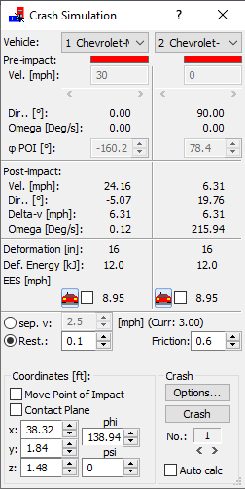
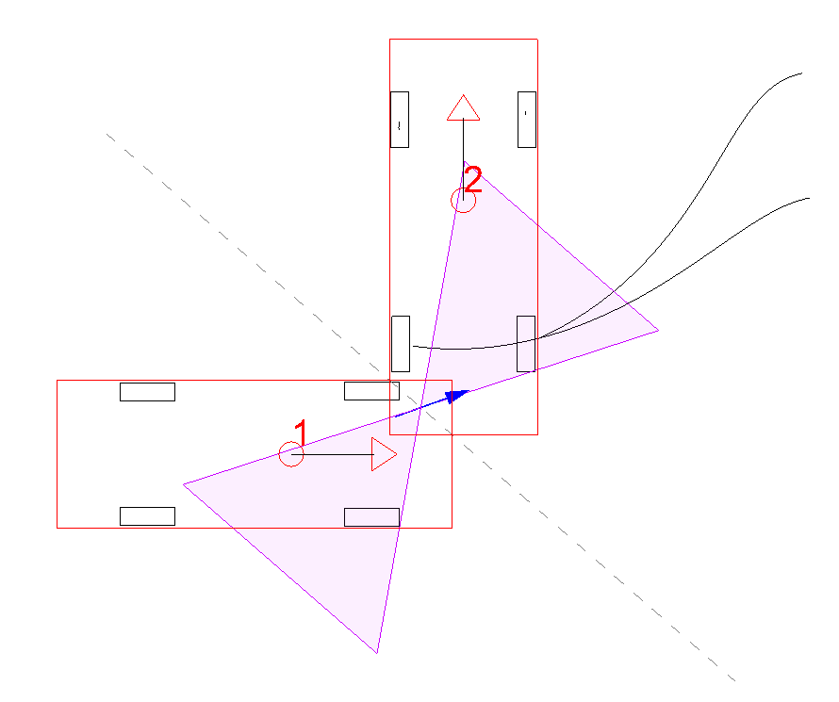
0.5 second increments of the first 5 seconds of motion

PC Crash impact at 0.755 seconds
First contact at ~0.7 seconds

